Sheet1
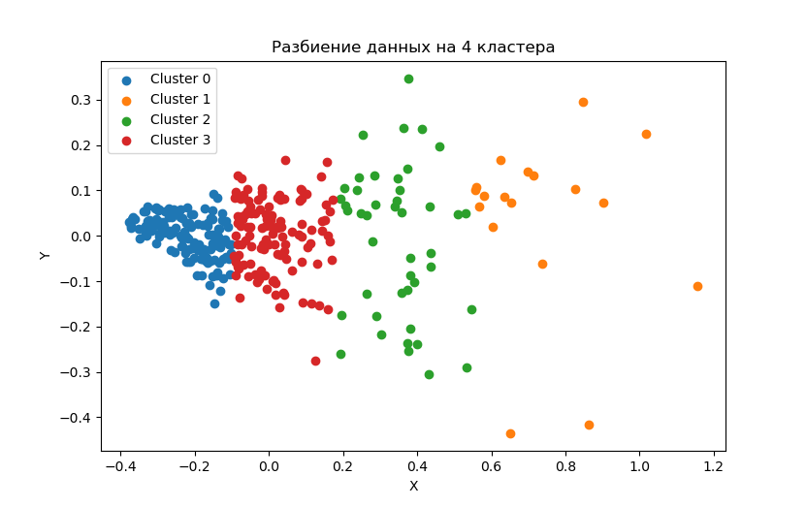
clust | VDS_r | ITusage_r | AIusage_r | BDusage_r
0 | 144034.97 | 928.99 | 64.07 | 187.49
0 | 529662.52 | 1731.75 | 93.48 | 242.45
1 | 1365416.61 | 5064.11 | 412.44 | 1861.56
1 | 2811322.19 | 7247.67 | 478.56 | 1765.89
2 | 971326.79 | 3702.82 | 287.68 | 1063.09
2 | 1987933.93 | 5121.68 | 303.55 | 1134.77
3 | 403709.98 | 2077.16 | 159.85 | 560.26
3 | 1147390.63 | 3018.00 | 165.61 | 615.39

clust | VDS_r | ITusage_r | AIusage_r | BDusage_r
0 (lower) |  |  | 6.90% | 20.18%
0 (upper) | 3.68 | 1.9 | 5.40% | 14.00%
1 (lower) |  |  | 8.14% | 36.76%
1 (upper) | 2.06 | 1.43 | 6.60% | 24.36%
2 (lower) |  |  | 7.77% | 28.71%
2 (upper) | 2.05 | 1.38 | 5.93% | 22.16%
3 (lower) |  |  | 7.70% | 26.97%
3 (upper) | 2.84 | 1.45 | 5.49% | 20.39%

 | Медианы кластеров
clust | VDS_r | ITusage_r | AIusage_r | BDusage_r
0 | 239537.8512 | 1418 | 81.5 | 198
1 | 1615284.1492 | 5560.5 | 424 | 1741
2 | 1418484.169 | 4248.5 | 301 | 1080
3 | 578868.7812 | 2407 | 160 | 600.5

clust | VDS_r | ITusage_r | AIusage_r | BDusage_r
0 | 239537.8512 | 1418 | 5.75% | 13.96%
1 | 1615284.1492 | 5560.5 | 7.63% | 31.31%
2 | 1418484.169 | 4248.5 | 7.08% | 25.42%
3 | 578868.7812 | 2407 | 6.65% | 24.95%

